Sheet1
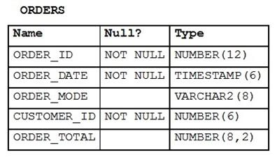
DUMPSMATE | ANSWERS
315
311 | D
300 | DEG | a role is owned by no one
298 | A | all extra columns selected by group fns need to be in group by clause
297 | BDE
292 | DE
291 | AE | provided option E has 1 as order id after values keyword
283 | CF | Alias in where clause
276 | D
275 | AB | look in the sheet 2 below
267 | CE
258 | BC
253 | CDF
249 | ABE
240 | CE
238 | ABCE
234 | ABF
227 | CD | Date cannot be used as alias , it is eserved keyword, u can use it if u use quotes
222 | CD
214 | B
210 | D
208 | CD
204 | DE
201 | DE
193 | AD
189 | D
188 | CD
174 | A
167 | C
135 | AC | cant grant to a role with grant option, D wrong - cant grant system and object priv in 1 select stmt , no privilege as create any session
131 | A
130 | BD |  | 285
129 | ABE | insert never commits automatically, pk is optional
120 | BE
107 | C | it should be like 'D__%'
99 | D
88 | BEF
87 | ABF
86 | C | a.avg_sal …alias a is in subquery not main query so cant use it here (inner query data is not available in outer query)
83 | AF
74 | CDF
30 | A
18 | CD | if condition is true then 5000 rows inserted, if condition is false then 0 rows inserted . Not null constraints get copied

Sheet2
Q275 | Q238 | Q239
Examine the description of the SALES table: | Which three statements are true about GLOBAL TEMPORARY TABLES? | Which two statements are true about the results of using the INTERSECT operator in compound queries?
 | A. A GLOBAL TEMPORARY TABLE can have multiple indexes. | A. INTERSECT ignores NULLs.
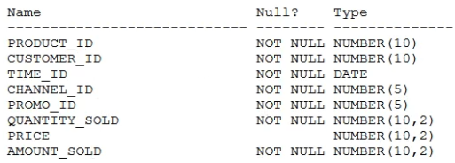 The SALES table has 55,000 rows. | B. A GLOBAL TEMPORARY TABLE cannot have a PUBLIC SYNONYM. | B. Reversing the order of the intersected tables can sometimes affect the output.
Examine this statement: | C. A trigger can be created on a GLOBAL TEMPORARY TABLE. | C. The number of columns in each SELECT in the compound query can be different.
 | D. A GLOBAL TEMPORARY TABLE can be referenced in the defining query of a view. | D. INTERSECT returns rows common to both sides of the compound query.
Which two statements are true? | E. A GLOBAL TEMPORARY TABLE can have only one index. | E. Column names in each SELECT in the compound query can be different.
A. SALES1 has NOT NULL constraints on any selected columns which had those constraints in the SALES table. | F. Data Manipulation Language (DML) on GLOBAL TEMPORARY TABLES generates no REDO.
B. SALES1 is created with 55,000 rows. |  | Answer DE
C. SALES1 has PRIMARY KEY and UNIQUE constraints on any selected columns which had those constraints in the SALES table. | Answer: ACD
D. SALES1 is created with no rows.
E. SALES1 is created with 1 row.
Answer
AB if where is 1=1
AD if where condition is false

